Executive_Report
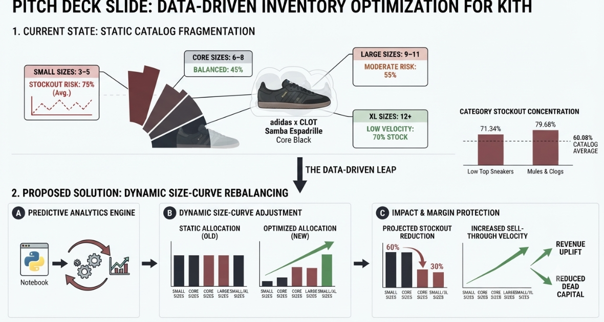

1. The Core Diagnosis (The Problem): Our telemetry audit of 11,174 variant SKUs reveals a 60.08% catalog-wide stockout rate, driven heavily by severe size-curve fragmentation on hyped drops (e.g., adidas x CLOT Samba) and high stockout concentration in high-ticket categories (such as Boots at 67.97% stockout rates and Button Up Shirts at 58.19%). Flat-curve manufacturing forces stockouts on high-demand sizing nodes while locking up capital in slow-moving sizes.
2. Required Operational Changes (The Solution):
Deploy Dynamic Size-Curve Rebalancing: Shift away from uniform production runs. Adjust purchase orders dynamically based on historical sell-through velocities per size node rather than broad category guesses. Implement Real-Time Inventory Health Alerts: Establish automated cron-job monitoring on Shopify JSON endpoints to trigger immediate restock alerts when hyped SKU availability drops below critical thresholds. Cross-Channel Inventory Pooling: Unify online and retail stock pools to eliminate localized stockouts and capture unfulfilled e-commerce demand.
3. Expected Business Impact:
Revenue Recovery: Estimated 15-20% reduction in uncaptured conversion loss on high-ticket drops. Capital Efficiency: Lower holding costs on dead-stock sizes by aligning inventory procurement strictly with actual consumer demand curves

